Hoja 1
Year | Sales (Million Euro) | Advertising (Million Euro)
1 | 651 | 23
2 | 762 | 26
3 | 856 | 30
4 | 1063 | 34
5 | 1190 | 43
6 | 1298 | 48
7 | 1421 | 52
8 | 1440 | 57
9 | 1518 | 58
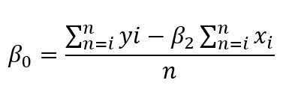

variable | Valor
x | Advertising
y | Sales |  | β0= | 167.6829495
∑x | 371
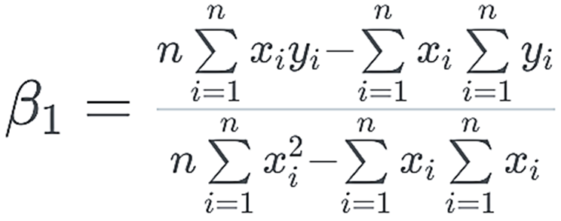
∑y | 10199
n | 9
∑xy | 454097
∑χ² | 16731
 |  |  | β1= | 23.42278559

